Sheet1
2.1.1 Lotto Bet Details Terminal -> Central |  |  |  |  |  |  |  |  |  |  |  |  |  | 1101FF1101FF1101FF1101FF1101FF1101FF1101FF1101FF1101FF1101FF
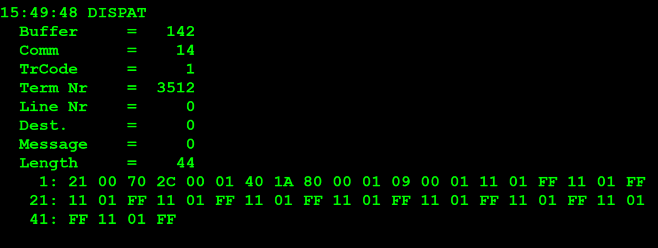
TestByte |  | Size | Field Contents |  | Hexadecimal | Binario | Decimal
Start | End |  |  |  |  |  |  |  | TestByte |  | Size | Field Contents | Hexadecimal | Binario | Decimal
1 | 1 | 1 | Control | Sequence | 21 | Control=0010 Sequence=0010 | Control=2 Sequence=1 | Control -> x10 - Application Message Sequence -> 1 | Start | End
2 | 2 | 1 | Type = 0 | Subtype = 0 | 00 | Type=0 SubType=0 | Type=0 SubType=0 |  | 1 | n | n | Wager header
3 | 4 | 2 | Checksum |  | 70 2C | Game index=0100 System type/Passive Bet Type=0001 |  |  | n+1 | n + 1 | 1 | Monday draw indicator | 00 | 0 | 0 | antigo Totoloto-> Loto2 (SEMPRE 0) DESCONTINUADO
5 | 5 | 1 | Statistics (see below) |  | 04 |  | 4 | Total key indicator | n+2 | n+2 | 1 | Lucky number | 01 |  | 1
6 | 6 | 1 | Game Type |  | 01 | 1 | 1 | 1 = LOTTO | n+3 | n+3+k-1 | k | Board Selections (in interval format) | 11 01 FF 11 01 FF 11 01 FF 11 01 FF 11 01 FF 11 01 FF 11 01 FF 11 01 FF 11 01 FF 11 01 FF | 0001 0001 0000 0001 1111 1111 0001 0001 0000 0001 1111 1111 0001 0001 0000 0001 1111 1111 0001 0001 0000 0001 1111 1111 0001 0001 0000 0001 1111 1111 0001 0001 0001 1111 1111 0001 0001 0000 0001 1111 1111 0001 0001 0000 0001 1111 1111 0001 0001 0000 0001 1111 1111 0001 0001 0000 0001 1111 1111
7 | 7 | 1 | Game index | System type/Passive Bet Type | 40 | Game index=0011 System type/Passive Bet Type=0000 | Game index=4 System type/Passive Bet Type=0 | 4 – Totoloto Q (Quarta-Wednesday) System type=0->Full system |  |  | Num Selected: | **1 2 18 33 48 1 2 18 33 48 1 2 18 33 48 1 2 18 33 48 1 2 18 33 48 1 2 18 33 48 1 2 18 33 48 1 2 18 33 48 1 2 18 33 48 1 2 18 33 48 | <------- | 1 1 0 1 15 15 1 1 0 1 15 15 1 1 0 1 15 15 1 1 0 1 15 15 1 1 0 1 15 15 1 1 1 15 15 1 1 0 1 15 15 1 1 0 1 15 15 1 1 0 1 15 15 1 1 0 1 15 15
8 | 8 | 1 | Duration | No of Boards | 1A | Duration=0001 No of Boards=0010 | Duration=1 No of Boards=10 | Nota: Duration é sempre 1 pois foi descontinuado* | Board Selection is repeated for the number of boards. |  |  |  |  |  |  |  | 1.6 Interval Representation
9 | 10 | 2 | Option Flags (see below) |  | 80 00 | 1000 0000 0000 0000 | ….. | x8000=Game Control Revision present. (2 bytes) |  |  |  |  |  | ** comessa pelo primeiro numero escolhido 1 neste caso, depois é a difereça do segundo numero com o primeiro que é 19 que é maior que 15 logo é 0 e o resto é 4 (19-15), depois diferença do 3º numero do 2º numero (35-20=15) o resulta em 15, a seguir diferença do 4º numero do 3º numero (38-35=3) resulta 3, por fim diferença do 5º numero do 4º numero (40-38=2) resulta 2 dando a Board Selections: 1 0 4 15 3 2 |  |  | Any message, which passes Lotto wager board data, must use interval code representation. In this representation, each nibble represents the interval between the last number selected and the current number selected. If the interval is greater than 15 (x0F), a 0 is used for the interval and the next nibble contains the value of the interval minus 15. (If the interval is greater than 30, there would be to 0's followed by the interval value minus 30.) If there are multiple boards represented, the next board will begin in the next available nibble. If all board data is coded ending at an uneven nibble, the last nibble is assigned the value of 0.
11 | 11+n-1 | n | Option Data (see below) |  | 01 09 | 000100001001 | 265 |  | Game Index:

Statistics Flags: |  |  |  |  |  |  |  | *Duration: numero de vezes que se repete a mesma aposta por semana (repetia a mesma aposta nas próximas 5 semanas por exemplo) DESCONTINUADO | 4 – Totoloto S (Saturday) | ????Errado
 |  |  |  |  |  |  |  |  | 3 – Totoloto Q (Wednesday) |  | ????Errado
x80 | Simulator Transaction |  |  | x08 | Reserved for Telebetting |  |  |  | * Old Loto (indexes 1 and 2) are kept for validation and reporting only. They are not opened for wagering
x40 | Reader Entry |  |  |  | x04 | Total key indicator
x20 | Coupon Edited |  |  |  | x02 | Barcode Read Correctly |  |  | Monday draw indicator:
x10 | Reserved for Telebetting |  |  | x01 | Total Zero
 |  |  |  |  |  |  |  |  | 0 – Does not participate in Monday draw |  |  |  |  |  |  |  | For example, if the board selections 1, 4, 21, 24, 30, and 37 were to be represented as interval code, they would appear as: x13 x02 x36 x70.
Option Flags: |  |  |  | Option Data to follow: |  |  |  |  | 1 – Participate in Monday draw

 | Check in this order for all games:

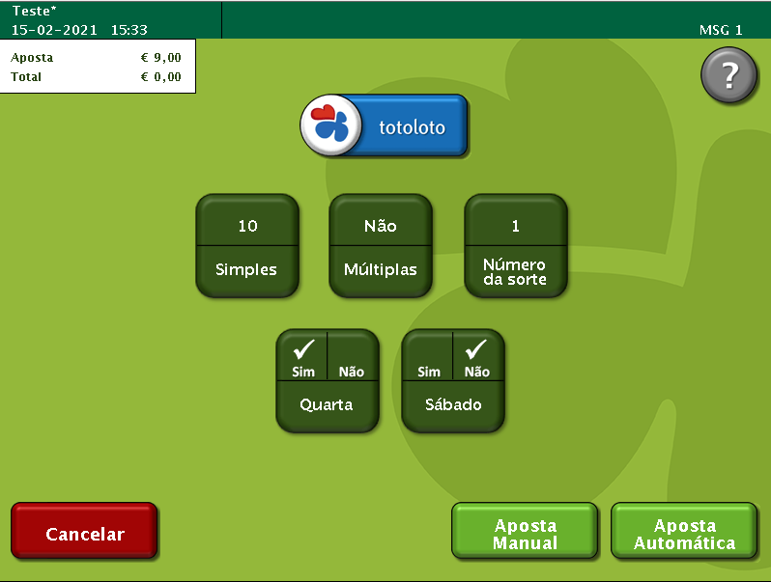
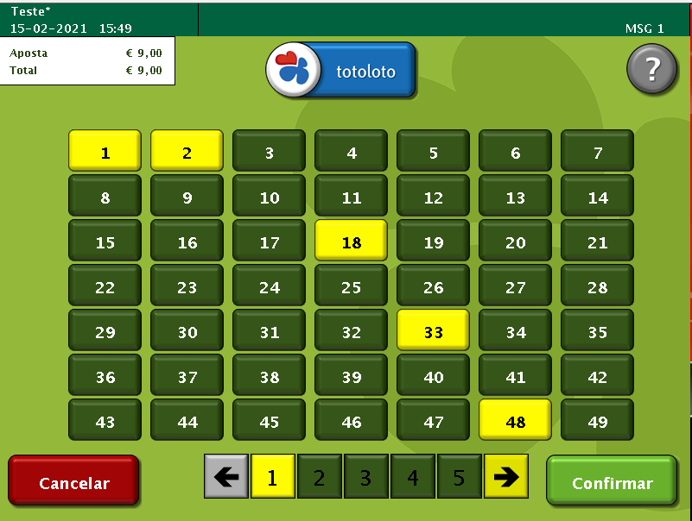
x8000 | Game Control Revision present. |  |  | 2 bytes
x4000 | Game Text Revision present. |  |  | 2 bytes
x2000 | Ticket Text Revision present. |  |  | 2 bytes
x1000 | Joker Control Rev present. |  |  | 2 bytes
x0800 | Joker Text Revision present. |  |  | 2 bytes
x0400 | Joker Ticket Text Revision present. |  |  | 2 bytes
x0200 | Quick Pick Flags By Board. |  |  | 2 bytes
x0100 | System Number present. |  |  | 2 bytes
x0080 | Participating in Joker 1.
x0040 | Participating in Joker 2.
x0020 | Joker 1 Required.
x0010 | Joker 2 Required.
x0008 | Bank Number present. |  |  | 4 bytes Bank No. + 4 byte Acc. No.
x0004 | Serial Number of Associated EM Wager present |  |  | 4 bytes (3 bytes + 1 byte check digits)
x0002 | Joker number present |  |  | 4 bytes
x0001 | Weighted QP table revision present |  |  | 4 bytes

System Type/Passive Bet Type:
All games except Passive:
0 = | Simple bet
1 = | Full system |  |  |  |  |  |  |  |  |  |  |  |  |  |  |  |  |  | maximo casos de 15 de difereça obrigando a ter 3 grupos de 00 sendo a condição que ocupa dados no board selection

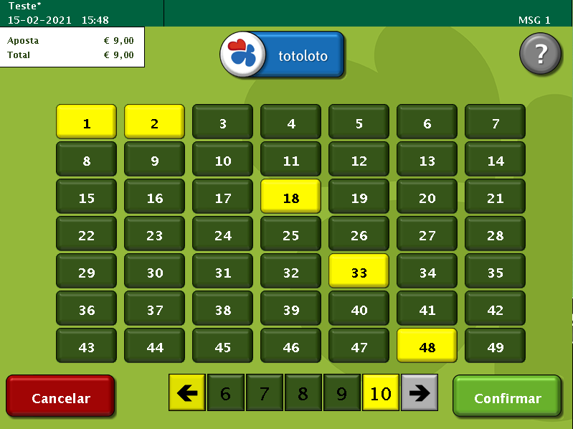
Passive Games:
1= | Reservation |  |  |  |  |  |  |  |  |  |  |  |  |  |  |  |  | …..................
2= | Sale
3= | Release

System Number:

- For Totoloto games system number is system index:

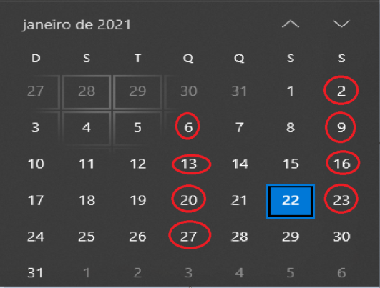
index 1 for 6 numbers |  | index 2 for 7 numbers |  | index 3 for 8 numbers
index 4 for 9 numbers |  | index 5 for 10 numbers |  | index 6 for 11 numbers
index 7 for 4 numbers

- For totobola and totogolo games system number is number of combinations.
- For Passive Games:

Game Type: | 16
Game Index: | 1 = Classica
2 = Popular
No of Boards: 0
Duration: 1

2.2 Wager Header Central -> Terminal

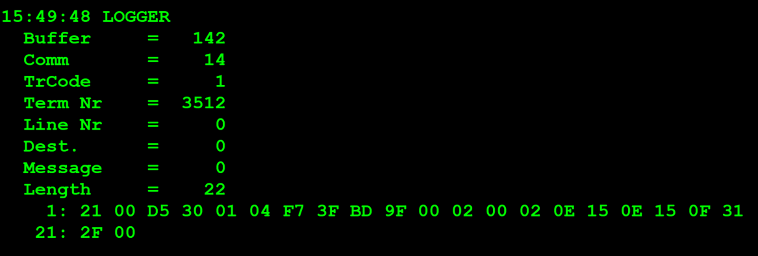
TestByte |  | Size | Field Contents
Start | End |  |  |  | Hexadecimal | Binario | Decimal
1 | 1 | 1 | Control | Sequence | 22 | Control=0010 Sequence=0010 | Control=2 Sequence=2 | Control -> x10 - Application Message Sequence -> 2
2 | 2 | 1 | Type = 0 | Subtype = 0 | 00 | Type=0 SubType=0 | Type=0 SubType=0
3 | 4 | 2 | Checksum |  | 44 B4
5 | 5 | 1 | Game Type |  | 01 | 1 | 1 | 1 = LOTTO
6 | 6 | 1 | Game index |  | 03 | 100 | 4 | Totoloto Sabado
7 | 9 | 3 | Wager Serial Number |  | DE 73 99 |  | 14578585 | 8 digitos
10 | 10 | 1 | Wager Check Digits |  | EE |  | 238 | 3 digitos
11 | 12 | 2 | Offset to First CDC Date |  | 00 01 |  | 6 | dias que faltam para o draw
13 | 14 | 2 | Offset to Second CDC Date |  | 00 01 |  | 6 | dias que faltam para o draw
15 | 15 | 1 | First Week Draw Date |  | 0D |  | 13 | é o 13º sorteio deste ano
16 | 16 | 1 | First Year Draw Date |  | 15 |  | 21 | é o ano 2021
17 | 17 | 1 | Second Week Draw Date |  | 0D |  | 13 | é o 13º sorteio deste ano
18 | 18 | 1 | Second Year Draw Date |  | 15 |  | 21 | é o ano 2021
19 | 21 | 3 | Time (hh:mm:ss) |  | 0A 38 07 |  | 10:56:07
22 | 22 | 1 | Option Flags (see below) |  | 00
23 | 23+n-1 | n | Option Data (see below)

